Given
Instructions: | Using relational algebra operations, construct queries that satisfy provided descriptions. Provide resulting relation (table with tuples) for each query. Database schema and state are provided for your reference.

EMPLOYEE
Fname | Minit | Lname | Ssn | Bdate | Address | Sex | Salary | Super_ssn | Dno
John | B | Smith | 123456789 | 1965-01-09 | 731 Fondren, Houston, TX | M | 30000 | 333445555 | 5
Franklin | T | Wong | 333445555 | 1955-12-08 | 638 Voss, Houston, TX | M | 40000 | 888665555 | 5
Alicia | J | Zelaya | 999887777 | 1968-01-19 | 3321 Castle, Spring, TX | F | 25000 | 987654321 | 4
Jennifer | S | Wallace | 987654321 | 1941-06-20 | 291 Berry, Bellaire, TX | F | 43000 | 888665555 | 4
Ramesh | K | Narayan | 666884444 | 1962-09-15 | 975 Fire Oak, Humble, TX | M | 38000 | 333445555 | 5
Joyce | A | English | 453453453 | 1972-07-31 | 5631 Rice, Houston, TX | F | 25000 | 333445555 | 5
Ahmad | V | Jabbar | 987987987 | 1969-03-29 | 980 Dallas, Houston, TX | M | 25000 | 987654321 | 4
James | E | Borg | 888665555 | 1937-11-10 | 450 Stone, Houston, TX | M | 55000 | NULL | 1

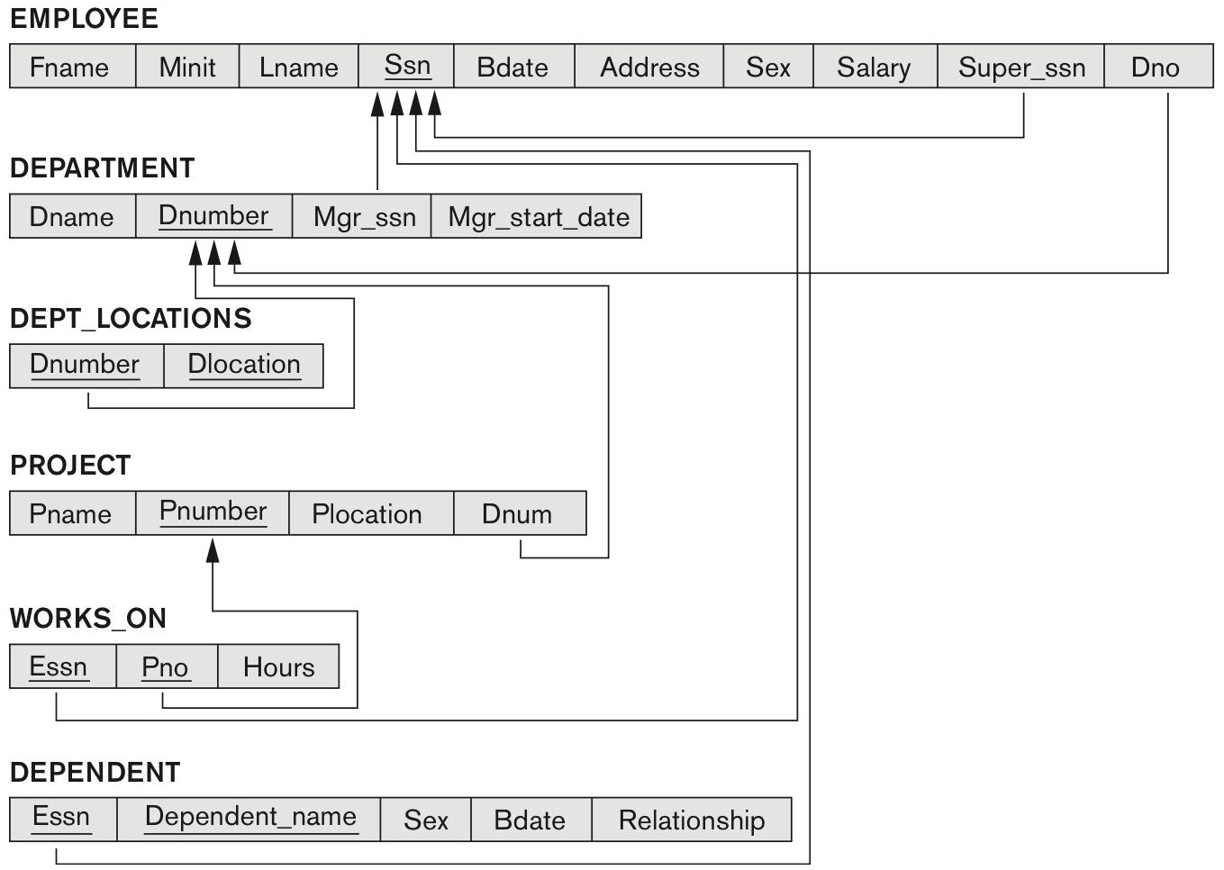
DEPARTMENT
Dname | Dnumber | Mgr_ssn | Mgr_start_date
Research | 5 | 333445555 | 1988-05-22
Administration | 4 | 987654321 | 1995-01-01
Headquarters | 1 | 888665555 | 1981-06-19

DEPT_LOCATIONS
Dnumber | Dlocation
1 | Houston
4 | Stafford
5 | Bellaire
5 | Sugarland
5 | Houston

WORKS_ON
Essn | Pno | Hours
123456789 | 1 | 32.5
123456789 | 2 | 7.5
666884444 | 3 | 40.0
453453453 | 1 | 20.0
453453453 | 2 | 20.0
333445555 | 2 | 10.0
333445555 | 3 | 10.0
333445555 | 10 | 10.0
333445555 | 20 | 10.0
999887777 | 30 | 30.0
999887777 | 10 | 10.0
987987987 | 10 | 35.0
987987987 | 30 | 5.0
987654321 | 30 | 20.0
987654321 | 20 | 15.0
888665555 | 20 | NULL

PROJECT
Pname | Pnumber | Plocation | Dnum
ProductX | 1 | Bellaire | 5
ProductY | 2 | Sugarland | 5
ProductZ | 3 | Houston | 5
Computerization | 10 | Stafford | 4
Reorganization | 20 | Houston | 1
Newbenefits | 30 | Stafford | 4

DEPENDENT
Essn | Dependent_name | Sex | Bdate | Relationship
333445555 | Alice | F | 1989-04-05 | Daughter
333445555 | Theodore | M | 1983-10-25 | Son
333445555 | Joy | F | 1958-05-03 | Spouse
987654321 | Abner | M | 1942-02-28 | Spouse
123456789 | Michael | M | 1988-01-04 | Son
123456789 | Alice | F | 1988-12-30 | Daughter
123456789 | Elizabeth | F | 1967-05-05 | Spouse

